Network nodes
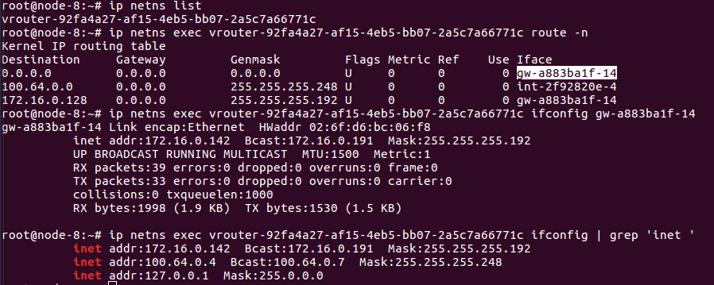
Sandbox3
1 | Private
2 | Public
3 | Private
4 | Public
5 | DCN
6 | Internet

ip netns list |  | On fuel-controller1

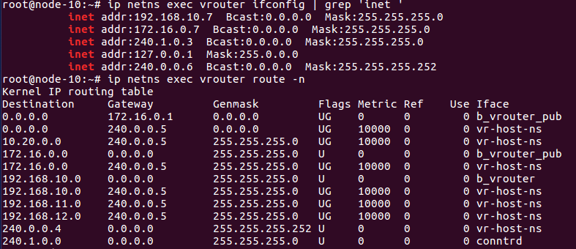

fuel-compute2
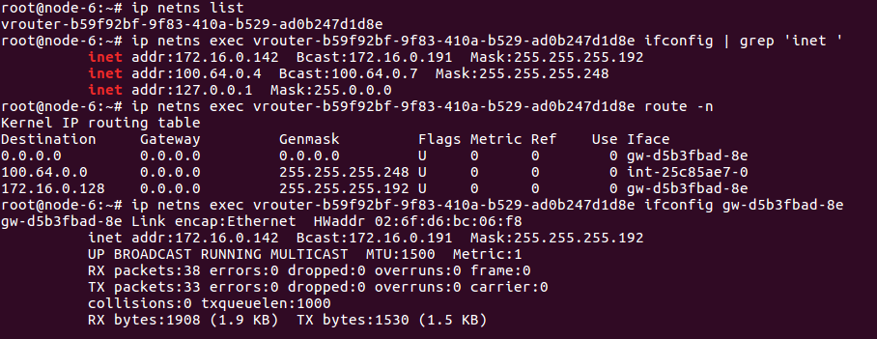

fuel-compute1

